Notes
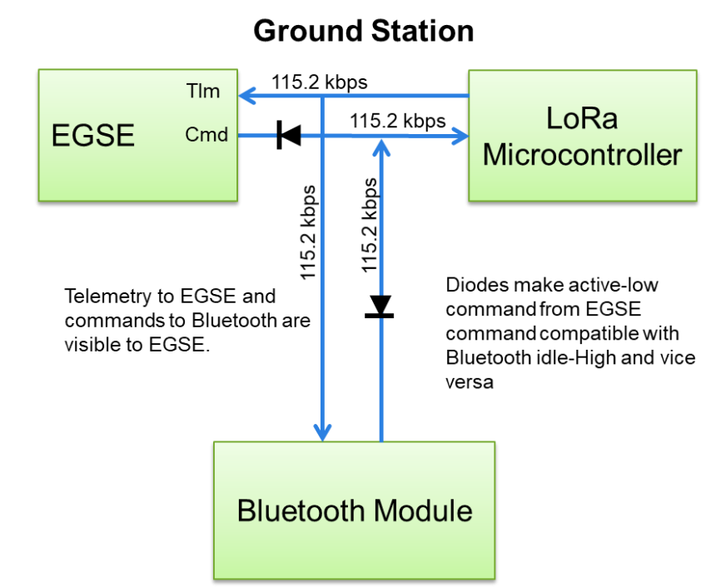
Comm Configuration
Data Bits | 8
Start Bit | 1
Parity | None
Flow Control | None
Ground Station Baud Rate | 115200

Notes on shared UART comm bus:
 | All EGSE telemetry is space-delimited, with the exception of the ?DT4 packet type, which is delimited with a mixture of spaces and \r\n.
 | Ground station and relay connection shares the UART bus with the Bluetooth module.
 | Packets from microcontroller to Bluetooth begin with "FWT" and are followed by a mixture of text and binary. These should be ignored.
 | Pakcets from Bluetooth to microcontroller contain a mix of text and binary data and should be igored.

Notes on CRC for text packets
1 | Each text packet ends with a 16-bit CRC value, calculated starting with the @ symbol, up to the last non-space character before the CRC
2 | The CRC-16 polynomial is 0x8005 (CRC-16 "BUYPASS")
3 | The CRC-16 initial value is 0x0000
4 | The CRC-16 calculation for text packets is fed one byte at a time, starting with the left-most character in the packet
5 | The CRC-16 calculation for recorded data packets is fed one byte at a time, starting with the most significant (left-most) byte
6 | No inversion of input or output data

